B0489_PLC912000
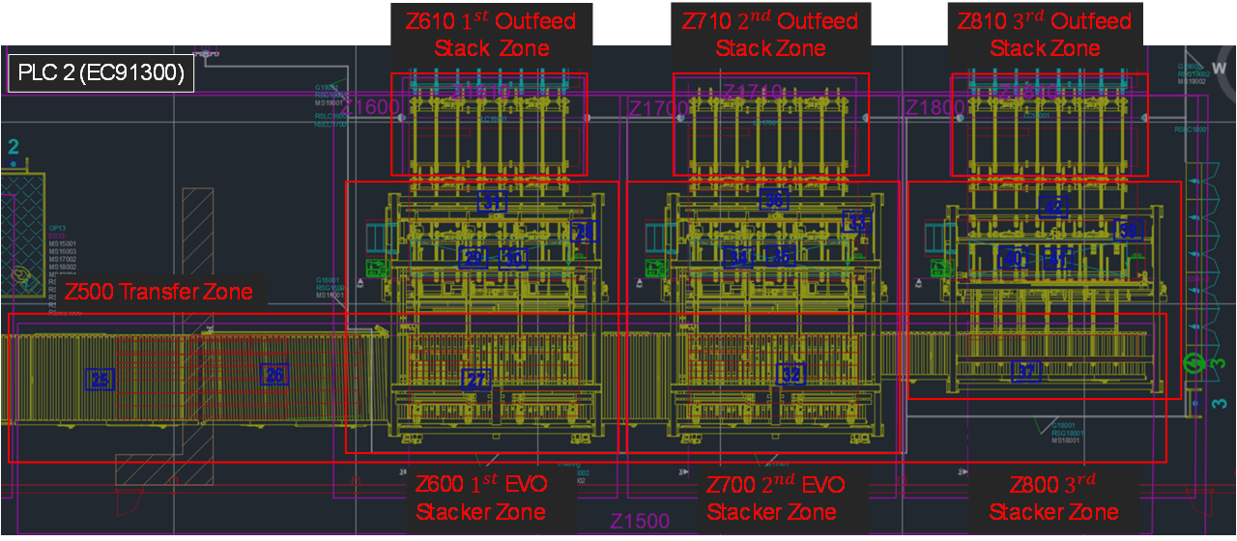

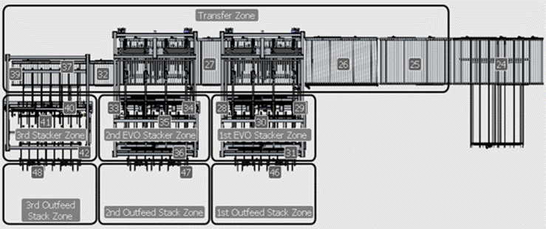
10.139.221.2 | PLC2 | Si se exceden los 500 bytes, pasar al DB 9001 sin romper puntos de comunicación
Iker Larrarte i.larrarte@biele.com | PComm0 OA Manda valor de watchdog | DB9000.DBW0 | PComm0_Watchdog. Request Head.Trigger | INT
 |  | DB9000.DBW2 | PComm0_Watchdog. Request Head. Status | INT
 |  | DB9000.DBW4 | PComm0_Watchdog. Request Value | INT
 |  | DB9000.DBW6 | PComm0_Watchdog. Response Head. Confirmation | INT
 |  | DB9000.DBW8 | PComm0_Watchdog. Response Head. Status | INT
 |  | DB9000.DBW10 | PComm0_Watchdog. Response Value | INT

 | PComm1 OA envía el Work Order para empezar la producción EN EL STRIP CUTTING | DB9000.DBW70 | PComm1_WorkOrder. Request Head. Trigger | INT
 |  | DB9000.DBW72 | PComm1_WorkOrder.Request Head. Status | INT
 |  | DB9000.DBW74 | PComm1_WorkOrder.Request. WO_Identifier ID | DINT
 |  | ?? | PComm1_WorkOrder.Request. ReportNumber | LINT | Report Number + último stack a la salid de la línea
 |  | ?? | PComm1_WorkOrder.Request.Recipe Identifier Record Name (Article_In) | STRING[20]
 |  | DB9000.DBW76 | PComm1_WorkOrder.Response Head. Confirmation | INT
 |  | DB9000.DBW78 | PComm1_WorkOrder.Response Head. Status | INT | Si el material no coincide con lo que hay en la línea - Error [-1]. Si la receta no la encuentra en la lista.[-2]. Situación inicial o todo bien [0]

 | PComm2 PLC manda a OA comienzo de alimentación de Pila | DB9000.DBW12 | PComm2_StackFeedStart. Request Head. Trigger | INT
 |  | DB9000.DBW14 | PComm2_StackFeedStart.Request Head. Status | INT
 |  | DB9000.DBW16 | PComm2_StackFeedStart.Request. WO_Identifier ID | DINT
 |  | DB9000.DBW20 | PComm2_StackFeedStart.Request.Stack ID number | LINT
 |  | DB9000.DBW22 | PComm2_StackFeedStart.Request.Stack Article_In | String[20]
 |  | DB9000.DBW34 | PComm2_StackFeedStart.Response Head. Confirmation | INT
 |  | DB9000.DBW36 | PComm2_StackFeedStart.Response Head. Status | INT

 | PComm3 PLC manda a OA fin de alimentación de Pila | DB9000.DBW38 | PComm3_StackFeedFinish. Request Head. Trigger | INT
 |  | DB9000.DBW40 | PComm3_StackFeedFinish.Request Head. Status | INT
 |  | DB9000.DBW42 | PComm3_StackFeedFinish.Request. WO_Identifier ID | DINT
 |  | DB9000.DBW46 | PComm3_StackFeedFinish.Request.Stack ID number | LINT
 |  | DB9000.DBW48 | PComm3_StackFeedStart.Request.Stack Article_In | String[20]
 |  | DB9000.DBW70 | PComm3_StackFeedFinish.Response Head. Confirmation | INT
 |  | DB9000.DBW72 | PComm3_StackFeedFinish.Response Head. Status | INT

 | PComm4 PLC manda a OA Comienzo apilado de Pila en apilador 1 | DB9000.DBW74 | PComm4_1stStackerStart. Request Head. Trigger | INT
 |  | DB9000.DBW76 | PComm4_1stStackerStart.Request Head. Status | INT
 |  | DB9000.DBW78 | PComm4_1stStackerStart.Request. WO_Identifier ID | DINT
 |  | DB9000.DBW82 | PComm4_1stStackerStart.Request.Stack ID number | LINT
 |  | DB9000.DBW84 | PComm4_1stStackerStart.Request.Stack Article_Out | String[20]
 |  | DB9000.DBW96 | PComm4_1stStackerStart.Response Head. Confirmation | INT
 |  | DB9000.DBW98 | PComm4_1stStackerStart.Response Head. Status | INT

 | PComm5 PLC manda a OA Fin apilado de Pila en apilador 1 | DB9000.DBW100 | PComm5_1stStackerFinish. Request Head. Trigger | INT
 |  | DB9000.DBW102 | PComm5_1stStackerFinish.Request Head. Status | INT
 |  | DB9000.DBW104 | PComm5_1stStackerFinish.Request. WO_Identifier ID | DINT
 |  | DB9000.DBW108 | PComm5_1stStackerFinish.Request.Stack ID number | LINT
 |  | DB9000.DBW110 | PComm5_1stStackerFinish.Request.Stack Piece Quantity | INT
 |  | DB9000.DBW112 | PComm5_1stStackerFinish.Request.Stack Article_Out | String[20]
 |  | DB9000.DBW124 | PComm5_1stStackerFinish.Response Head. Confirmation | INT
 |  | DB9000.DBW126 | PComm5_1stStackerFinish.Response Head. Status | INT

 | PComm6 PLC manda a OA Comienzo apilado de Pila en apilador 2 | DB9000.DBW128 | PComm6_2ndStackerStart. Request Head. Trigger | INT
 |  | DB9000.DBW130 | PComm6_2ndStackerStart.Request Head. Status | INT
 |  | DB9000.DBW132 | PComm6_2ndStackerStart.Request. WO_Identifier ID | DINT
 |  | DB9000.DBW136 | PComm6_2ndStackerStart.Request.Stack ID number | LINT
 |  | DB9000.DBW138 | PComm6_2ndStackerStart.Request.Stack Article_Out | String[20]
 |  | DB9000.DBW160 | PComm6_2ndStackerStart.Response Head. Confirmation | INT
 |  | DB9000.DBW162 | PComm6_2ndStackerStart.Response Head. Status | INT

 | PComm7 PLC manda a OA Fin apilado de Pila en apilador 2 | DB9000.DBW164 | PComm7_2ndStackerFinish. Request Head. Trigger | INT
 |  | DB9000.DBW166 | PComm7_2ndStackerFinish.Request Head. Status | INT
 |  | DB9000.DBW168 | PComm7_2ndStackerFinish.Request. WO_Identifier ID | DINT
 |  | DB9000.DBW172 | PComm7_2ndStackerFinish.Request.Stack ID number | LINT
 |  | DB9000.DBW174 | PComm7_2ndStackerFinish.Request.Stack Piece Quantity | INT
 |  | DB9000.DBW176 | PComm7_2ndtStackerFinish.Request.Stack Article_Out | String[20]
 |  | DB9000.DBW198 | PComm7_2ndStackerFinish.Response Head. Confirmation | INT
 |  | DB9000.DBW200 | PComm7_2ndStackerFinish.Response Head. Status | INT

 | PComm8 PLC manda a OA Comienzo apilado de Pila en apilador 3 | DB9000.DBW200 | PComm8_3rdStackerStart. Request Head. Trigger | INT
 |  | DB9000.DBW204 | PComm8_3rdStackerStart.Request Head. Status | INT
 |  | DB9000.DBW206 | PComm8_3rdStackerStart.Request. WO_Identifier ID | DINT
 |  | DB9000.DBW210 | PComm8_3rdStackerStart.Request.Stack ID number | LINT
 |  | DB9000.DBW212 | PComm8_3rdStackerStart.Request.Stack Article_Out_Single | String[20]
 |  | DB9000.DBW234 | PComm8_3rdStackerStart.Response Head. Confirmation | INT
 |  | DB9000.DBW236 | PComm8_3rdStackerStart.Response Head. Status | INT

 | PComm9 PLC manda a OA Fin apilado de Pila en apilador 3 | DB9000.DBW238 | PComm9_3rdStackerFinish. Request Head. Trigger | INT
 |  | DB9000.DBW240 | PComm9_3rdStackerFinish.Request Head. Status | INT
 |  | DB9000.DBW242 | PComm9_3rdStackerFinish.Request. WO_Identifier ID | DINT
 |  | DB9000.DBW246 | PComm9_3rdStackerFinish.Request.Stack ID number | LINT
 |  | DB9000.DBW248 | PComm9_3rdStackerFinish.Request.Stack Piece Quantity | INT
 |  | DB9000.DBW250 | PComm9_3rdStackerFinish.Request.Stack Article_Out_Single | String[20]
 |  | DB9000.DBW262 | PComm9_3rdStackerFinish.Response Head. Confirmation | INT
 |  | DB9000.DBW264 | PComm9_3rdStackerFinish.Response Head. Status | INT



 | DB9049. DBW000 | Status Zone Feeder | INT
 | DB9049. DBW002 | Status Zone Saw | INT
 | DB9049. DBW004 | Status Zone Transport | INT
 | DB9049. DBW006 | Status Zone Stacker 1 | INT
 | DB9049. DBW010 | Status Zone Out Stacker 1 | INT
 | DB9049. DBW012 | Status Zone Stacker 2 | INT
 | DB9049. DBW014 | Status Zone Out Stacker 2 | INT
 | DB9049. DBW016 | Status Zone Stacker 3 | INT
 | DB9049. DBW018 | Status Zone Out Stacker 3 | INT

B0489_PLC911000

10.139.221.19 | PLC1 |  | Programar como en la plantilla. Es codigo de proyecto B241391 Constellium

 |  | DB9000
 | PComm0 OA Manda valor de watchdog | DB9000 | PComm0_Watchdog. Request Head.Trigger | INT
 |  | DB9000 | PComm0_Watchdog. Request Head. Status | INT
 |  | DB9000 | PComm0_Watchdog. Request Value | INT
 |  | DB9000 | PComm0_Watchdog. Response Head. Confirmation | INT
 |  | DB9000 | PComm0_Watchdog. Response Head. Status | INT
 |  | DB9000 | PComm0_Watchdog. Response Value | INT

Iker Larrarte | PComm1 - A [Maquina 1] OA deja disponible la información del material que está siendo introducido en la línea. PD: No se envían cantidades | DB9000 | PComm1_WorkOrder. Request Head. Trigger | INT
 |  | DB9000 | PComm1_WorkOrder.Request Head. Status | INT
 |  | DB9000 | PComm1_WorkOrder.Request. WO_Identifier ID | DINT
 |  | DB9000 | PComm1_WorkOrder.Request.ReportNumber | LINT | Report Number + último stack a la salid de la línea
 |  | DB9000 | PComm1_WorkOrder.Request.Recipe Identifier Record Name (Article_In) | String 20
 |  | DB9000 | PComm1_WorkOrder.Response Head. Status | INT
 |  | DB9000 | PComm1_WorkOrder.Response Head. Confirmation | INT | Igualar la confirmación al trigger cuando se han cambiado los datos y el plc ha recibido el cambio

 | PComm2 - B [Maquina 10] OA deja disponible la información del material que está siendo introducido en la línea. PD: No se envían cantidades | DB9000 | PComm2_WorkOrder. Request Head. Trigger | INT
 |  | DB9000 | PComm2_WorkOrder.Request Head. Status | INT
 |  | DB9000 | PComm2_WorkOrder.Request. WO_Identifier ID | DINT
 |  | DB9000 | PComm2_WorkOrder.Request.ReportNumber | LINT | Report Number + último stack a la salid de la línea
 |  | DB9000 | PComm2_WorkOrder.Request.Recipe Identifier Record Name (Article_In) | String 20
 |  | DB9000 | PComm2_WorkOrder.Response Head. Status | INT
 |  | DB9000 | PComm2_WorkOrder.Response Head. Confirmation | INT | Igualar la confirmación al trigger cuando se han cambiado los datos y el plc ha recibido el cambio

 | PCommX PLC envía el Work Order y el identificador de la pila cuando se incorpora a la linea. Posible mejora durante la puesta en marcha - contrastar con cliente en el caso de que haya | DB9000.DBW70 | PComm2_WorkOrder. Request Head. Trigger | INT
 |  | DB9000.DBW72 | PComm2_WorkOrder.Request Head. Status | INT
 |  | DB9000.DBW74 | PComm2_WorkOrder.Request. WO_Identifier ID | INT
 |  | DB9000.DBW76 | PComm2_WorkOrder.Request. Stack ID | INT
 |  | DB9000.DBW78 | PComm2_WorkOrder.Response Head. Confirmation | INT
 |  | DB9000.DBW80 | PComm2_WorkOrder.Response Head. Status | INT

 | DB9049
 | DB9049. DBW000 | Zona robot | INT
 | DB9049. DBW002 | Zona Boogie | INT
 |  | Buffer 0 | INT

Wrapping PLC 8-10
10.139.221.8 | PLC 8 (Wrapping1) | Si se exceden los 500 bytes, pasar al DB 9050 sin romper puntos de comunicación |  |  |  | PLC 10 (Wrapping2) |  | Si se exceden los 500 bytes, pasar al DB 9050 sin romper puntos de comunicación
Aleson / Usama j.aleson@biele.com | PComm0 OA Manda valor de watchdog | DB9000 | PComm0_Watchdog. Request Head.Trigger | INT |  | PComm0 OA Manda valor de watchdog | DB9000 | PComm0_Watchdog. Request Head.Trigger | INT
 |  | DB9000 | PComm0_Watchdog. Request Head. Status | INT |  |  | DB9000 | PComm0_Watchdog. Request Head. Status | INT
 |  | DB9000 | PComm0_Watchdog. Request Value | INT |  |  | DB9000 | PComm0_Watchdog. Request Value | INT
 |  | DB9000 | PComm0_Watchdog. Response Head. Confirmation | INT |  |  | DB9000 | PComm0_Watchdog. Response Head. Confirmation | INT
 |  | DB9000 | PComm0_Watchdog. Response Head. Status | INT |  |  | DB9000 | PComm0_Watchdog. Response Head. Status | INT
 |  | DB9000 | PComm0_Watchdog. Response Value | INT |  |  | DB9000 | PComm0_Watchdog. Response Value | INT

 | PComm1 OA envía el Work Order para empezar la producción en el Wrapping | DB9000 | PComm1_WorkOrder. Request Head. Trigger | INT |  | PComm1 OA envía el Work Order para empezar la producción en el Wrapping | DB9000 | PComm1_WorkOrder. Request Head. Trigger | INT
 |  | DB9000 | PComm1_WorkOrder.Request Head. Status | INT |  |  | DB9000 | PComm1_WorkOrder.Request Head. Status | INT
 |  | DB9000 | PComm1_WorkOrder.Request Head. WO_Identifier ID | DINT |  |  | DB9000 | PComm1_WorkOrder.Request Head. WO_Identifier ID | DINT
 |  | DB9000 | PComm1_WorkOrder.Request Head. ReportNumber | LINT | Report Number + último stack a la salid de la línea |  | DB9000 | PComm1_WorkOrder.Request Head. ReportNumber | LINT | Report Number + último stack a la salid de la línea
 |  | DB9000 | PComm1_WorkOrder.Request Head.Recipe Identifier Record Name (Article_In) | STRING[20] |  |  | DB9000 | PComm1_WorkOrder.Request Head.Recipe Identifier Record Name (Article_In) | STRING[20]
 |  | DB9000 | PComm1_WorkOrder.Response Head. Confirmation | INT |  |  | DB9000 | PComm1_WorkOrder.Response Head. Confirmation | INT
 |  | DB9000 | PComm1_WorkOrder.Response Head. Status | INT | Si el material no coincide con lo que hay en la línea - Error [-1]. Si la receta no la encuentra en la lista.[-2]. Situación inicial o todo bien [0] |  | DB9000 | PComm1_WorkOrder.Response Head. Status | INT |  | Si el material no coincide con lo que hay en la línea - Error [-1]. Si la receta no la encuentra en la lista.[-2]. Situación inicial o todo bien [0]

 | PComm2 PLC manda a OA comienzo de alimentación de Pila | DB9000 | PComm2_StackFeedStart. Request Head. Trigger | INT |  | PComm2 PLC manda a OA comienzo de alimentación de Pila | DB9000 | PComm2_StackFeedStart. Request Head. Trigger | INT
 |  | DB9000 | PComm2_StackFeedStart.Request Head. Status | INT |  |  | DB9000 | PComm2_StackFeedStart.Request Head. Status | INT
 |  | DB9000 | PComm2_StackFeedStart.Request. WO_Identifier ID | DINT |  |  | DB9000 | PComm2_StackFeedStart.Request. WO_Identifier ID | DINT
 |  | DB9000 | PComm2_StackFeedStart.Request.Stack ID number | LINT |  |  | DB9000 | PComm2_StackFeedStart.Request.Stack ID number | INT
 |  | DB9000 | PComm2_StackFeedStart.Request.Stack Article_In | String[20] |  |  | DB9000 | PComm2_StackFeedStart.Request.Stack Article_In | String[20]
 |  | DB9000 | PComm2_StackFeedStart.Response Head. Confirmation | INT |  |  | DB9000 | PComm2_StackFeedStart.Response Head. Confirmation | INT
 |  | DB9000 | PComm2_StackFeedStart.Response Head. Status | INT |  |  | DB9000 | PComm2_StackFeedStart.Response Head. Status | INT

 | PComm3 PLC manda a OA fin de alimentación de Pila | DB9000 | PComm3_StackFeedFinish. Request Head. Trigger | INT |  | PComm3 PLC manda a OA fin de alimentación de Pila | DB9000 | PComm3_StackFeedFinish. Request Head. Trigger | INT
 |  | DB9000 | PComm3_StackFeedFinish.Request Head. Status | INT |  |  | DB9000 | PComm3_StackFeedFinish.Request Head. Status | INT
 |  | DB9000 | PComm3_StackFeedFinish.Request. WO_Identifier ID | DINT |  |  | DB9000 | PComm3_StackFeedFinish.Request. WO_Identifier ID | DINT
 |  | DB9000 | PComm3_StackFeedFinish.Request.Stack ID number | LINT |  |  | DB9000 | PComm3_StackFeedFinish.Request.Stack ID number | INT
 |  | DB9000 | PComm3_StackFeedStart.Request.Stack Article_In | String[20] |  |  | DB9000 | PComm3_StackFeedStart.Request.Stack Article_In | String[20]
 |  | DB9000 | PComm3_StackFeedFinish.Response Head. Confirmation | INT |  |  | DB9000 | PComm3_StackFeedFinish.Response Head. Confirmation | INT
 | 0 | DB9000 | PComm3_StackFeedFinish.Response Head. Status | INT |  | 0 | DB9000 | PComm3_StackFeedFinish.Response Head. Status | INT

 | No contamos con el de rechazo
 | Para PLC 8 y 10 empezaría desde la DB9049.00
 | Estados de las zonas |  |  |  |  | Estados de las zonas
 | DB9049. DBW016 | DB9049.00 | Alimentador Infeed Zone | INT |  | DB9049. DBW016 | DB9049.00 | Alimentador Infeed Zone | INT
 | DB9049. DBW018 | DB9049.02 | Pusher feeder | INT |  | DB9049. DBW018 | DB9049.02 | Pusher feeder | INT
 | DB9049. DBW020 | DB9049.04 | Outfeed Conveyors | INT |  | DB9049. DBW020 | DB9049.04 | Outfeed Conveyors | INT

Feeder Pusher Zone (07.1+07.2)
Work Data Zone 03: activate workorder WO10
Outfeed Conveyors Zone (07.3+7.4+08+09+10)
Work Data Zone 03: activate workorder WO10
Laminator 1

05-06 Lift Table
07.4 Extractor Roller
08 Batch Conveyor
09 Join Conveyor
10 Rollers Conveyor

07.2 Pusher Feeder
WO 10
WO 10
WO 10
WO 10
WO 10
WO 10

07.1 NonStop

OA Computer
Infeed Tracks Zone (01,02-03,04)
Activate workorder WO10
WO 10
04 Chains Track
Operator has selected on OA computer the "WO 11" to Buffer Bogie load from Buffer Tracks to Row 14 Tracks.

01 Rollers Track requests a new stack to Wrapping Infeed Bogie if:
1. (Infeed Tracks Zone WO = Row 16 stack WO) & 01 Rollers Track empty
2. (Infeed Tracks Zone WO <> Row 16 WO) & Infeed Tracks Zone empty & Wrapping Infeed Bogie empty
WO 10
01 Rollers Track
02-03 Lift Table

WO 21
WO 21

OA Computer

Laminator 2
WO 21

WO 21
WO 21
WO 21
WO 21
WO 21
WO 21

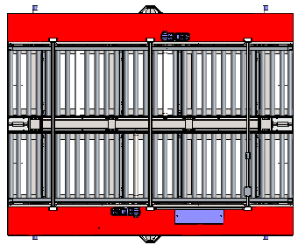
Bogie orders next WO for Wrapping Line 1 when it has a stack with new WO
Wrapping Infeed Bogie

WO 10

Buffer 2 Outfeed Tracks Zone

WO 11
WO 11
WO 11
WO 11
Row 16

WO 21
WO 21
WO 21
WO 22
WO 22
Row 15
Bridge Bogie

WO 11

WO 11
14
WO 11
WO 11

WO 22
WO 22
13

Buffer Outfeed Bogie
Buffer 2 Tracks Zone
WO 11
WO 11
WO 11
12
WO 11

WO 22
WO 11
WO 11
WO 11
WO 11
WO 11
11

WO 22
WO 22
WO 22
WO 22
WO 22
10

WO 22
WO 22
WO 22
WO 22
WO 22
09

08

Buffer Infeed Bogie

WO 11
07

WO 22
06

05

04

03

02

01

EdgeBanding PLC 4-5
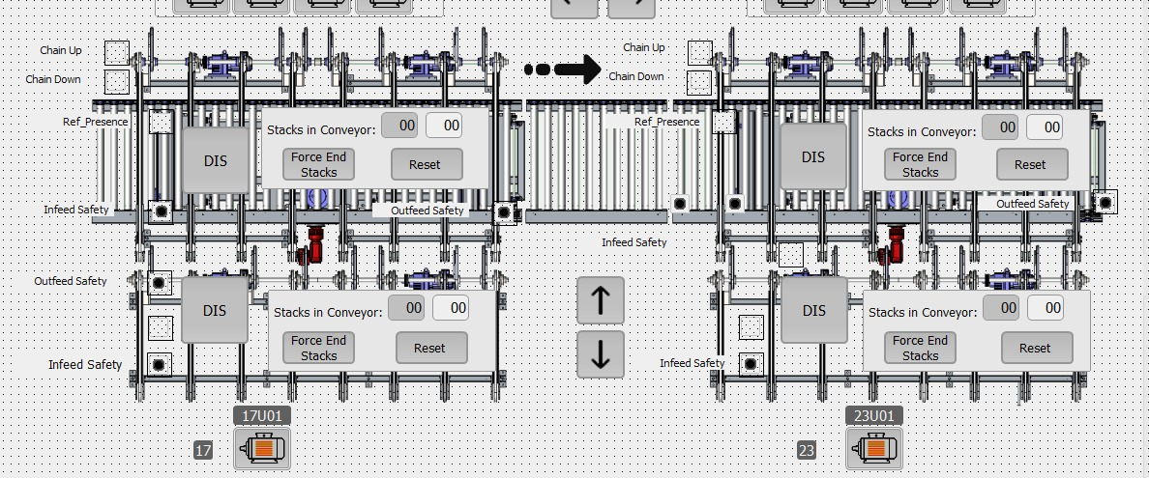
10.139.221.4 | PLC4(Alimentación) | Si se exceden los 500 bytes, pasar al DB 9050 sin romper puntos de comunicación |  |  |  | 10.139.221.5 | PLC5(Apilado) | Si se exceden los 500 bytes, pasar al DB 9050 sin romper puntos de comunicación
Samuel Martinez s.martinez@marzola.es | PComm0 OA Manda valor de watchdog | DB9049 | PComm0_Watchdog. Request Head.Trigger | INT |  |  | PComm0 OA Manda valor de watchdog | DB9049 | PComm0_Watchdog. Request Head.Trigger | INT
 |  | DB9049 | PComm0_Watchdog. Request Head. Status | INT |  |  |  | DB9049 | PComm0_Watchdog. Request Head. Status | INT
 |  | DB9049 | PComm0_Watchdog. Request Value | INT |  |  |  | DB9049 | PComm0_Watchdog. Request Value | INT
 |  | DB9049 | PComm0_Watchdog. Response Head. Confirmation | INT |  |  |  | DB9049 | PComm0_Watchdog. Response Head. Confirmation | INT
 |  | DB9049 | PComm0_Watchdog. Response Head. Status | INT |  |  |  | DB9049 | PComm0_Watchdog. Response Head. Status | INT
 |  | DB9049 | PComm0_Watchdog. Response Value | INT |  |  |  | DB9049 | PComm0_Watchdog. Response Value | INT

 | PComm1 OA envía el Work Order para empezar la producción en el Edge banding | DB9049 | PComm1_WorkOrder. Request Head. Trigger | INT
 |  | DB9049 | PComm1_WorkOrder.Request Head. Status | INT |  |  | PComm4 PLC manda a OA Comienzo apilado de Pila en apilador 2(Piezas buenas) | DB9049 | PComm4_1stStackerStart. Request Head. Trigger | INT
 |  | DB9049 | PComm1_WorkOrder.Request Head. WO_Identifier ID | DINT |  |  |  | DB9049 | PComm4_1stStackerStart.Request Head. Status | INT
 |  | DB9049 | PComm1_WorkOrder.Request Head. ReportNumber | LINT | Report Number + último stack a la salid de la línea |  |  | DB9049 | PComm4_1stStackerStart.Request. WO_Identifier ID | DINT
 |  | DB9049 | PComm1_WorkOrder.Request Head.Recipe Identifier Record Name (Article_In) | STRING[20] |  |  |  | DB9049 | PComm4_1stStackerStart.Request.Stack ID number | LINT
 |  | DB9049 | PComm1_WorkOrder.Response Head. Confirmation | INT |  |  |  | DB9049 | PComm4_1stStackerStart.Request.Stack Article_Out | String[20]
 |  | DB9049 | PComm1_WorkOrder.Response Head. Status | INT | Si el material no coincide con lo que hay en la línea - Error [-1]. Si la receta no la encuentra en la lista.[-2]. Situación inicial o todo bien [0] |  |  | DB9049 | PComm4_1stStackerStart.Response Head. Confirmation | INT
 |  |  |  |  |  |  |  | DB9049 | PComm4_1stStackerStart.Response Head. Status | INT

 | PComm2 PLC manda a OA comienzo de alimentación de Pila | DB9049 | PComm2_StackFeedStart. Request Head. Trigger | INT |  |  | PComm5 PLC manda a OA Fin apilado de Pila en apilador 2 (Piezas buenas) | DB9049 | PComm5_1stStackerFinish. Request Head. Trigger | INT
 |  | DB9049 | PComm2_StackFeedStart.Request Head. Status | INT |  |  |  | DB9049 | PComm5_1stStackerFinish.Request Head. Status | INT
 |  | DB9049 | PComm2_StackFeedStart.Request. WO_Identifier ID | DINT |  |  |  | DB9049 | PComm5_1stStackerFinish.Request. WO_Identifier ID | DINT
 |  | DB9049 | PComm2_StackFeedStart.Request.Stack ID number | LINT |  |  |  | DB9049 | PComm5_1stStackerFinish.Request.Stack ID number | LINT
 |  | DB9049 | PComm2_StackFeedStart.Request.Stack Article_In | String[20] |  |  |  | DB9049 | PComm5_1stStackerFinish.Request.Stack Piece Quantity | INT
 |  | DB9049 | PComm2_StackFeedStart.Response Head. Confirmation | INT |  |  |  | DB9049 | PComm5_1stStackerFinish.Request.Stack Article_Out | String[20]
 |  | DB9049 | PComm2_StackFeedStart.Response Head. Status | INT |  |  |  | DB9049 | PComm5_1stStackerFinish.Response Head. Confirmation | INT
 |  |  |  |  |  |  |  | DB9049 | PComm5_1stStackerFinish.Response Head. Status | INT

 | PComm3 PLC manda a OA fin de alimentación de Pila | DB9049 | PComm3_StackFeedFinish. Request Head. Trigger | INT
 |  | DB9049 | PComm3_StackFeedFinish.Request Head. Status | INT
 |  | DB9049 | PComm3_StackFeedFinish.Request. WO_Identifier ID | DINT
 |  | DB9049 | PComm3_StackFeedFinish.Request.Stack ID number | LINT
 |  | DB9049 | PComm3_StackFeedFinish.Request.Stack Article_In | String[20]
 |  | DB9049 | PComm3_StackFeedFinish.Response Head. Confirmation | INT
 |  | DB9049 | PComm3_StackFeedFinish.Response Head. Status | INT

 | Estados de las Zonas |  |  |  |  |  | Estados de las Zonas
 | DB9049. DBW000 | Infeed Tracks |  | INT |  |  | DB9049. DBW000 |  | Infeed Tracks | INT
 | DB9049. DBW002 | Pusher feeder |  | INT |  |  | DB9049. DBW002 |  | Stackers | INT
 | DB9049. DBW004 | Outfeed Conveyor |  | INT |  |  | DB9049. DBW004 |  | Outfeed Conveyor | INT
 | DB9049. DBW168 | IsOAEnabled |  | INT |  |  | DB9049. DBW006 |  |  | INT
 | DB9049. DBW010 |  |  | INT |  |  | DB9049. DBW010 |  |  | INT
 | DB9049. DBW012 |  |  | INT |  |  | DB9049. DBW012 |  |  | INT
 | DB9049. DBW014 |  |  | INT |  |  | DB9049. DBW014 |  |  | INT
 | DB9049. DBW016 |  |  | INT |  |  | DB9049. DBW016 |  |  | INT
 | DB9049. DBW018 |  |  | INT |  |  | DB9049. DBW018 |  |  | INT

BUFFER2_B4083_911000
 | (PLC_3) db9049

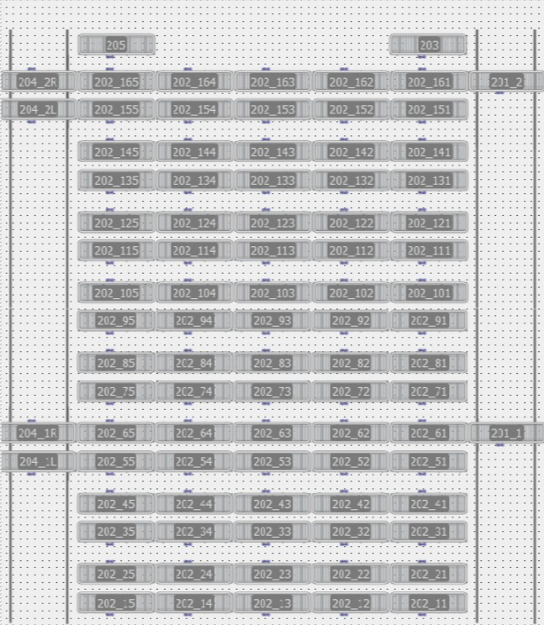
Jon Irigioen j.irigoien@biele.com | Status | DB9049 | Status Roller Row 202_15 | INT | 2
 |  | DB9049 | Status Roller Row 202_25 | INT | 4
 |  | DB9049 | Status Roller Row 202_35 | INT | 6
 |  | DB9049 | Status Roller Row 202_45 | INT | 8
 |  | DB9049 | Status Roller Row 202_55 | INT | 10
 |  | DB9049 | Status Roller Row 202_65 | INT | 12
 |  | DB9049 | Status Roller Row 202_75 | INT | 14
 |  | DB9049 | Status Roller Row 202_85 | INT | 16
 |  | DB9049 | Status Roller Row 202_95 | INT | 18
 |  | DB9049 | Status Roller Row 202_105 | INT | 20
 |  | DB9049 | Status Roller Row 202_115 | INT | 22
 |  | DB9049 | Status Roller Row 202_125 | INT | 24
 |  | DB9049 | Status Roller Row 202_135 | INT | 26
 |  | DB9049 | Status Roller Row 202_145 | INT | 28
 |  | DB9049 | Status Roller Row 202_155 | INT | 30
 |  | DB9049 | Status Roller Row 202_165 | INT | 32
 |  | DB9049 | Status Bogie 201_1 | INT | 34
 |  | DB9049 | Status Bogie 201_2 | INT | 36
 |  | DB9049 | Status Bogie 204_1 | INT | 38
 |  | DB9049 | Status Bogie 204_2 | INT | 40
 |  | DB9049 | Status Bogie 203 | INT | 44 | 4
 |  | DB9049 | Status Bogie 205 | INT | 52 | 8
 | Buffer 2. 12 rodillos. En cada rodillo solo habrá material de una determinada OF. El report number no hace falta compartirlo aquí. Todo el material en el buffer pasará si o sí por el buffer. En caso contrario lo sacará el carretillero | DB9049 | Stack_ID | LINT | 56 | 4
 |  | DB9049 | Article Name | String[20] | 64 | 8
 |  | DB9049 | Stack_ID | LINT | 68 | 4
 |  | DB9049 | Article Name | String[20] | 76 | 8
 |  | DB9049 | Stack_ID | LINT | 80 | 4
 |  | DB9049 | Article Name | String[20] | 88 | 8
 |  | DB9049 | Stack_ID | LINT | 92 | 4
 |  | DB9049 | Article Name | String[20] | 100 | 8
 |  | DB9049 | Stack_ID | LINT | 104 | 4
 |  | DB9049 | Article Name | String[20] | 112 | 8
 |  | DB9049 | Stack_ID | LINT | 116 | 4
 |  | DB9049 | Article Name | String[20] | 124 | 8
 |  | DB9049 | Stack_ID | LINT | 128 | 4
 |  | DB9049 | Article Name | String[20] | 136 | 8
 |  | DB9049 | Stack_ID | LINT | 140 | 4
 |  | DB9049 | Article Name | String[20] | 148 | 8
 |  | DB9049 | Stack_ID | LINT | 152 | 4
 |  | DB9049 | Article Name | String[20] | 160 | 8
 |  | DB9049 | Stack_ID | LINT | 164 | 4
 |  | DB9049 | Article Name | String[20] | 172 | 8
 |  | DB9049 | Stack_ID | LINT | 176 | 4
 |  | DB9049 | Article Name | String[20] | 184 | 8
 |  | DB9049 | Stack_ID | LINT
 |  | DB9049 | Article Name | String[20]

 | PLC publica qué está pidiendo la Wrapping 1 al buffer 2 [Idem en los demás buffers] |  | WO_Identifier ID | DINT
Ander Gonzalez a.gonzalez@biele.com | PLC publica qué está pidiendo la Wrapping 1 al buffer 2 |  | Article_name | String[20]
 | PLC publica qué está pidiendo la Wrapping 2 al buffer 2 [Idem en los demás buffers] |  | WO_Identifier ID | DINT
 | PLC publica qué está pidiendo la Wrapping 2 al buffer 2 |  | Article_name | String[20]
 |  | DB9050 | Watchdog.Request.Header.Trigger | INT
 |  | DB9050 | Watchdog.Request.Header.Status | INT
 |  | DB9050 | Watchdog.Response.Header.Trigger | INT
 |  | DB9050 | Watchdog.Response.Header.Status | INT
 | OA recibe los datos del lector de código de barras situado en el buffer 2 y lo envía al PLC | DB9050 | PCommX_BarcodeRead. Request Header. Trigger | INT
 |  | DB9050 | PCommX_BarcodeRead.Request.BarcodeStack | LINT
 |  | DB9050 | PCommX_BarcodeRead.Response Header.Stack ID number | LINT
 |  | DB9050 | PCommX_BarcodeRead.Response. Header.WO_Identifier ID | DINT
 |  | DB9050 | PCommX_BarcodeRead.Response Header.Recipe Identifier Record Name | String[20]
 |  | DB9050 | PCommX_BarcodeRead.Response Header.ProductType | DINT
 |  | DB9050 | PCommX_BarcodeRead.Response Header.Confirmation | INT | Se va a hacer una pantalla en OA para reimprimir las etiquetas que no se hayan podido imprimir [Valinge]
 |  | DB9050 | PCommX_BarcodeRead.Response Header.Status | INT
 | PLC envía los datos de la pila a OA para almacenar los datos y lanzar la impresión de la etiqueta | DB9050 | PCommX_BarcodeRead. Request Header. Trigger | INT
 |  | DB9050 | PCommX_BarcodeRead.Request. Header.Stack ID number | LINT
 |  | DB9050 | PCommX_BarcodeRead.Request.Header.Recipe Identifier Record Name | String[20]
 |  |  | PCommX_BarcodeRead.Request.Header.ProductType | DINT
 |  | DB9050 | PCommX_BarcodeRead.Response Header.Confirmation | INT
 |  | DB9050 | PCommX_BarcodeRead.Response Header.Status | INT

 |  |  | En teoría todo lo que saquemos llevará el producto type 2, cuando se quiera volver a meter el material si se pone type 1 se introducirá al buffer2 y si se pone el type 3 se llevará a la fila de rework para ser procesada por EBM.

WRAPPING PLC 9-11
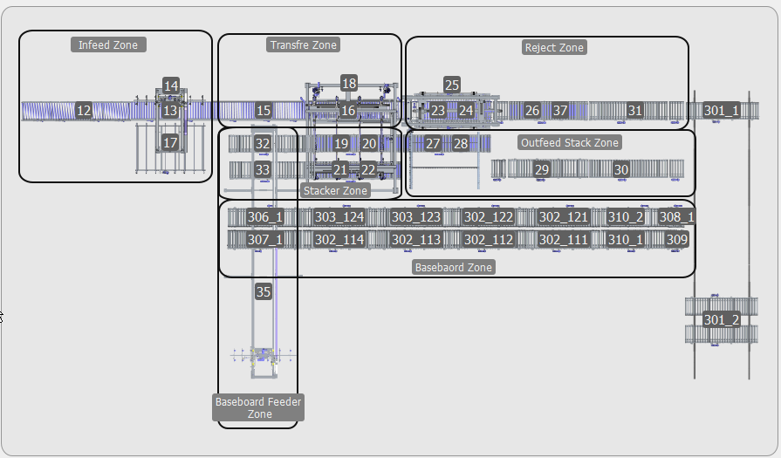
10.139.222.9 | PLC9 |  | Si se exceden los 500 bytes, pasar al DB 9050 sin romper puntos de comunicación |  |  | 10.139.222.11 | PLC11 |  | Si se exceden los 500 bytes, pasar al DB 9050 sin romper puntos de comunicación
Aleson / Usama j.aleson@biele.com u.sajjad@biele.com | PComm0 OA Manda valor de watchdog | DB9000 | PComm0_Watchdog. Request Head.Trigger | INT |  |  | PComm0 OA Manda valor de watchdog | DB9000 | PComm0_Watchdog. Request Head.Trigger | INT
 |  | DB9000 | PComm0_Watchdog. Request Head. Status | INT |  |  |  | DB9000 | PComm0_Watchdog. Request Head. Status | INT
 |  | DB9000 | PComm0_Watchdog. Request Value | INT |  |  |  | DB9000 | PComm0_Watchdog. Request Value | INT
 |  | DB9000 | PComm0_Watchdog. Response Head. Confirmation | INT |  |  |  | DB9000 | PComm0_Watchdog. Response Head. Confirmation | INT
 |  | DB9000 | PComm0_Watchdog. Response Head. Status | INT |  |  |  | DB9000 | PComm0_Watchdog. Response Head. Status | INT
 |  | DB9000 | PComm0_Watchdog. Response Value | INT |  |  |  | DB9000 | PComm0_Watchdog. Response Value | INT

 | PComm4 PLC manda a OA Comienzo apilado de Pila en apilador 1 | DB9000 | PComm4_1stStackerStart. Request Head. Trigger | INT |  |  | PComm4 PLC manda a OA Comienzo apilado de Pila en apilador 1 | DB9000 | PComm4_1stStackerStart. Request Head. Trigger | INT
 |  | DB9000 | PComm4_1stStackerStart.Request Head. Status | INT |  |  |  | DB9000 | PComm4_1stStackerStart.Request Head. Status | INT
 |  | DB9000 | PComm4_1stStackerStart.Request. WO_Identifier ID | DINT |  |  |  | DB9000 | PComm4_1stStackerStart.Request. WO_Identifier ID | DINT
 |  | DB9000 | PComm4_1stStackerStart.Request.Stack ID number | INT |  |  |  | DB9000 | PComm4_1stStackerStart.Request.Stack ID number | INT
 |  | DB9000 | PComm4_1stStackerStart.Request.Stack Article_Out | String[20] |  |  |  | DB9000 | PComm4_1stStackerStart.Request.Stack Article_Out | String[20]
 |  | DB9000 | PComm4_1stStackerStart.Response Head. Confirmation | INT |  |  |  | DB9000 | PComm4_1stStackerStart.Response Head. Confirmation | INT
 |  | DB9000 | PComm4_1stStackerStart.Response Head. Status | INT |  |  |  | DB9000 | PComm4_1stStackerStart.Response Head. Status | INT

 | PComm5 PLC manda a OA Fin apilado de Pila en apilador 1 | DB9000 | PComm5_1stStackerFinish. Request Head. Trigger | INT |  |  | PComm5 PLC manda a OA Fin apilado de Pila en apilador 1 | DB9000 | PComm5_1stStackerFinish. Request Head. Trigger | INT
 |  | DB9000 | PComm5_1stStackerFinish.Request Head. Status | INT |  |  |  | DB9000 | PComm5_1stStackerFinish.Request Head. Status | INT
 |  | DB9000 | PComm5_1stStackerFinish.Request. WO_Identifier ID | DINT |  |  |  | DB9000 | PComm5_1stStackerFinish.Request. WO_Identifier ID | DINT
 |  | DB9000 | PComm5_1stStackerFinish.Request.Stack ID number | INT |  |  |  | DB9000 | PComm5_1stStackerFinish.Request.Stack ID number | INT
 |  | DB9000 | PComm5_1stStackerFinish.Request.Stack Piece Quantity | INT |  |  |  | DB9000 | PComm5_1stStackerFinish.Request.Stack Piece Quantity | INT
 |  | DB9000 | PComm5_1stStackerFinish.Request.Stack Article_Out | String[20] | Si el material no coincide con lo que hay en la línea - Error [-1]. Si la receta no la encuentra en la lista.[-2]. Situación inicial o todo bien [0] |  |  | DB9000 | PComm5_1stStackerFinish.Request.Stack Article_Out | String[20]
 |  | DB9000 | PComm5_1stStackerFinish.Response Head. Confirmation | INT |  |  |  | DB9000 | PComm5_1stStackerFinish.Response Head. Confirmation | INT
 |  | DB9000 | PComm5_1stStackerFinish.Response Head. Status | INT |  |  |  | DB9000 | PComm5_1stStackerFinish.Response Head. Status | INT

 | PComm6 PLC manda a OA Comienzo apilado de Pila en apilador 2 | DB9000 | PComm4_1stStackerStart. Request Head. Trigger | INT |  |  | PComm6 PLC manda a OA Comienzo apilado de Pila en apilador 2 | DB9000 | PComm4_1stStackerStart. Request Head. Trigger | INT
 |  | DB9000 | PComm4_1stStackerStart.Request Head. Status | INT |  |  |  | DB9000 | PComm4_1stStackerStart.Request Head. Status | INT
 |  | DB9000 | PComm4_1stStackerStart.Request. WO_Identifier ID | DINT |  |  |  | DB9000 | PComm4_1stStackerStart.Request. WO_Identifier ID | DINT
 |  | DB9000 | PComm4_1stStackerStart.Request.Stack ID number | INT |  |  |  | DB9000 | PComm4_1stStackerStart.Request.Stack ID number | INT
 |  | DB9000 | PComm4_1stStackerStart.Request.Stack Article_Out | String[20] |  |  |  | DB9000 | PComm4_1stStackerStart.Request.Stack Article_Out | String[20]
 |  | DB9000 | PComm4_1stStackerStart.Response Head. Confirmation | INT |  |  |  | DB9000 | PComm4_1stStackerStart.Response Head. Confirmation | INT
 |  | DB9000 | PComm4_1stStackerStart.Response Head. Status | INT |  |  |  | DB9000 | PComm4_1stStackerStart.Response Head. Status | INT

 | PComm7 PLC manda a OA Fin apilado de Pila en apilador 2 | DB9000 | PComm5_1stStackerFinish. Request Head. Trigger | INT |  |  | PComm7 PLC manda a OA Fin apilado de Pila en apilador 2 | DB9000 | PComm5_1stStackerFinish. Request Head. Trigger | INT
 |  | DB9000 | PComm5_1stStackerFinish.Request Head. Status | INT |  |  |  | DB9000 | PComm5_1stStackerFinish.Request Head. Status | INT
 |  | DB9000 | PComm5_1stStackerFinish.Request. WO_Identifier ID | DINT |  |  |  | DB9000 | PComm5_1stStackerFinish.Request. WO_Identifier ID | DINT
 |  | DB9000 | PComm5_1stStackerFinish.Request.Stack ID number | INT |  |  |  | DB9000 | PComm5_1stStackerFinish.Request.Stack ID number | INT
 |  | DB9000 | PComm5_1stStackerFinish.Request.Stack Piece Quantity | INT |  |  |  | DB9000 | PComm5_1stStackerFinish.Request.Stack Piece Quantity | INT
 |  | DB9000 | PComm5_1stStackerFinish.Request.Stack Article_Out | String[20] |  |  |  | DB9000 | PComm5_1stStackerFinish.Request.Stack Article_Out | String[20]
 |  | DB9000 | PComm5_1stStackerFinish.Response Head. Confirmation | INT |  |  |  | DB9000 | PComm5_1stStackerFinish.Response Head. Confirmation | INT
 |  | DB9000 | PComm5_1stStackerFinish.Response Head. Status | INT |  |  |  | DB9000 | PComm5_1stStackerFinish.Response Head. Status | INT

 | Estados de las zonas
 | DB9049. DBW000 | Apilador Infeed Zone | INT |  |  |  | Estados de las zonas
 | DB9049. DBW002 | Apilador Transfer Zone | INT |  |  |  | DB9049. DBW000 | Apilador Infeed Zone | INT
 | DB9049. DBW004 | Apilador Stacker Zone | INT |  |  |  | DB9049. DBW002 | Apilador Transfer Zone | INT
 | DB9049. DBW006 | Apilador Reject Zone | INT |  |  |  | DB9049. DBW004 | Apilador Stacker Zone | INT
 | DB9049. DBW010 | Apilador Outfeed Stack Zone | INT |  |  |  | DB9049. DBW006 | Apilador Reject Zone | INT
 | DB9049. DBW012 | Baseboard Zone | INT |  |  |  | DB9049. DBW010 | Apilador Outfeed Stack Zone | INT
 | DB9049. DBW014 | Baseboard feeder zone | INT

BUFFER3_L_B4083_914000
 |  | Jon Irigioen j.irigoien@biele.com Ander Gonzalez a.gonzalez@biele.com | New Proposal (PLC_12)

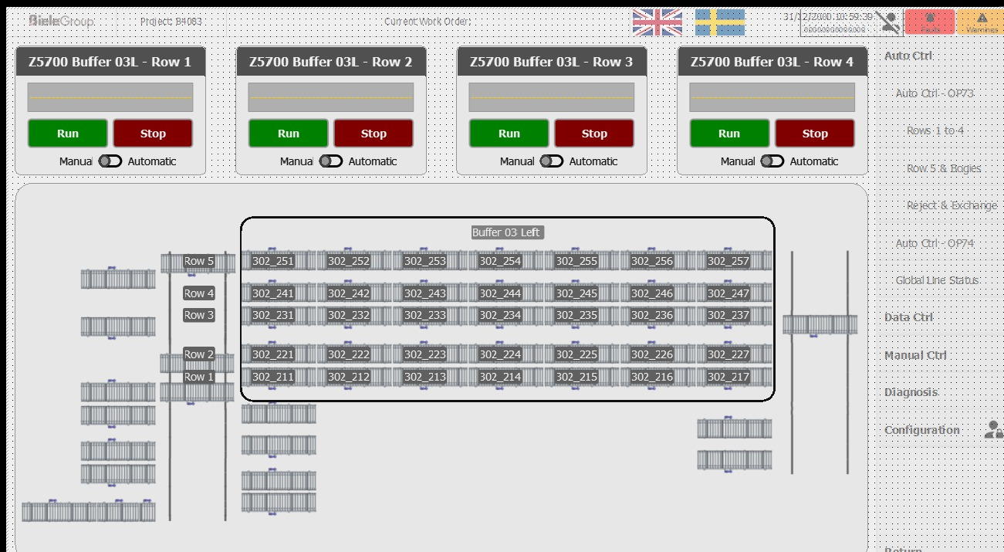
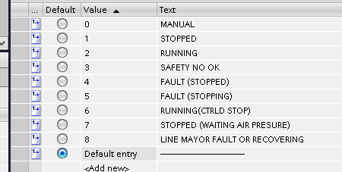
 |  |  | Status de las zonas | DB9049 | Status Roller Row 302_21 | INT
 |  |  |  | DB9049 | Status Roller Row 302_22 | INT
 |  |  |  | DB9049 | Status Roller Row 302_23 | INT
 |  |  |  | DB9049 | Status Roller Row 302_24 | INT
 |  |  |  | DB9049 | Status Roller Row 302_25 | INT
 |  |  |  | DB9049 | Status Bogie 301_01 | INT
 |  |  |  | DB9049 | Status Bogie 301_02 | INT
 |  |  |  | DB9049 | Status Bogie 303 | INT
 |  |  |  | DB9049 | Status Reject zone | INT
 |  |  |  | DB9049 | Exchange Zone | INT
 |  |  | En Buffers, habrá que mandar todas las WO disponibles de ser alimentadas sin el recipe record name | DB9049 | Stack_ID | LINT
 |  |  |  | DB9049 | Article Name | String[20]
 |  |  |  | DB9049 | Stack_ID | LINT
 |  |  |  | DB9049 | Article Name | String[20]
 |  |  |  | DB9049 | Stack_ID | LINT
 |  |  |  | DB9049 | Article Name | String[20]
 |  |  |  | DB9049 | Stack_ID | LINT
 |  |  |  | DB9049 | Article Name | String[20]
 |  |  |  | DB9049 | Stack_ID | LINT
 |  |  |  | DB9049 | Article Name | String[20]
 |  |  | PLC publica qué está pidiendo la format saw line 1 | DB9049 | WO_Identifier ID | DINT
 |  |  | PLC publica qué está pidiendo la format saw line 1 | DB9049 | Article name | String[20]
0 | Manual |  |  | DB9049
1 | Stop |  |  | DB9049 | Spare | Array of Byte[328..499]
2 | Automatico y running
3 | Safety noOK
4 | Alarma
5 | Parada controlada por fallo
6 | Parada controlada
7 | Automatico pero no running. Fallo de presion

Format Saw
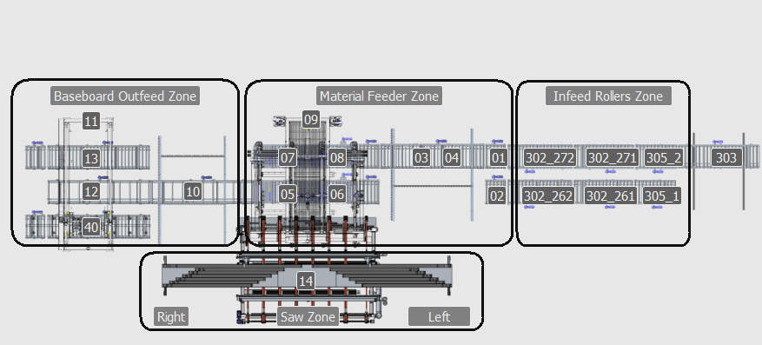
10.139.222.13 | PLC13 |  | Si se exceden los 500 bytes, hablar con Nahia |  |  | 10.139.221.15 | PLC15 |  | Si se exceden los 500 bytes, pasar al DB 9050 sin romper puntos de comunicación
Nahia n.agudo@biele.com | PComm0 OA Manda valor de watchdog | DB9000 | PComm0_Watchdog. Request Head.Trigger | INT |  |  | PComm0 OA Manda valor de watchdog | DB9000 | PComm0_Watchdog. Request Head.Trigger | INT
 |  | DB9000 | PComm0_Watchdog. Request Head. Status | INT |  |  |  | DB9000 | PComm0_Watchdog. Request Head. Status | INT
 |  | DB9000 | PComm0_Watchdog. Request Value | INT |  |  |  | DB9000 | PComm0_Watchdog. Request Value | INT
 |  | DB9000 | PComm0_Watchdog. Response Head. Confirmation | INT |  |  |  | DB9000 | PComm0_Watchdog. Response Head. Confirmation | INT
 |  | DB9000 | PComm0_Watchdog. Response Head. Status | INT |  |  |  | DB9000 | PComm0_Watchdog. Response Head. Status | INT
 |  | DB9000 | PComm0_Watchdog. Response Value | INT |  |  |  | DB9000 | PComm0_Watchdog. Response Value | INT

 | PComm1 OA envía el Work Order para empezar la producción en el format saw | DB9000 | PComm1_WorkOrder. Request Head. Trigger | INT |  |  | PComm1 OA envía el Work Order para empezar la producción en el format saw | DB9000 | PComm1_WorkOrder. Request Head. Trigger | INT
 |  | DB9000 | PComm1_WorkOrder.Request Head. Status | INT |  |  |  | DB9000 | PComm1_WorkOrder.Request Head. Status | INT
 |  | DB9000 | PComm1_WorkOrder.Request Head. WO_Identifier ID | DINT |  |  |  | DB9000 | PComm1_WorkOrder.Request Head. WO_Identifier ID | DINT
 |  | DB9000 | PComm1_WorkOrder.Request Head. ReportNumber | LINT | Report Number + último stack a la salid de la línea. En el caso de que una OF pausada vuelva a producción |  |  | DB9000 | PComm1_WorkOrder.Request Head. ReportNumber | LINT | Report Number + último stack a la salid de la línea. En el caso de que una OF pausada vuelva a producción
 |  | DB9000 | PComm1_WorkOrder.Request Head.Recipe Identifier Record Name (Article_In) | STRING[20] |  |  |  | DB9000 | PComm1_WorkOrder.Request Head.Recipe Identifier Record Name (Article_In) | STRING[20]
 |  | DB9000 | PComm1_WorkOrder.Response Head. Confirmation | INT |  |  |  | DB9000 | PComm1_WorkOrder.Response Head. Confirmation | INT
 |  | DB9000 | PComm1_WorkOrder.Response Head. Status | INT | Si la receta no la encuentra en la lista.[-2]. Situación inicial o todo bien [0] |  |  | DB9000 | PComm1_WorkOrder.Response Head. Status | INT | Si el material no coincide con lo que hay en la línea - Error [-1]. Si la receta no la encuentra en la lista.[-2]. Situación inicial o todo bien [0]

 | PComm2 PLC manda a OA comienzo de alimentación de Pila 1 | DB9000 | PComm2_StackFeedStart. Request Head. Trigger | INT |  |  | PComm2 PLC manda a OA comienzo de alimentación de Pila 1 | DB9000 | PComm2_StackFeedStart. Request Head. Trigger | INT
 |  | DB9000 | PComm2_StackFeedStart.Request Head. Status | INT |  |  |  | DB9000 | PComm2_StackFeedStart.Request Head. Status | INT
 |  | DB9000 | PComm2_StackFeedStart.Request. WO_Identifier ID | DINT |  |  |  | DB9000 | PComm2_StackFeedStart.Request. WO_Identifier ID | DINT
 |  | DB9000 | PComm2_StackFeedStart.Request.Stack ID number | LINT |  |  |  | DB9000 | PComm2_StackFeedStart.Request.Stack ID number | LINT
 |  | DB9000 | PComm2_StackFeedStart.Request.Stack Article_In | String[20] |  |  |  | DB9000 | PComm2_StackFeedStart.Request.Stack Article_In | String[20]
 |  | DB9000 | PComm2_StackFeedStart.Response Head. Confirmation | INT |  |  |  | DB9000 | PComm2_StackFeedStart.Response Head. Confirmation | INT
 |  | DB9000 | PComm2_StackFeedStart.Response Head. Status | INT |  |  |  | DB9000 | PComm2_StackFeedStart.Response Head. Status | INT

 | PComm3 PLC manda a OA fin de alimentación de Pila 1 | DB9000 | PComm3_StackFeedFinish. Request Head. Trigger | INT |  |  | PComm3 PLC manda a OA fin de alimentación de Pila 1 | DB9000 | PComm3_StackFeedFinish. Request Head. Trigger | INT
 |  | DB9000 | PComm3_StackFeedFinish.Request Head. Status | INT |  |  |  | DB9000 | PComm3_StackFeedFinish.Request Head. Status | INT
 |  | DB9000 | PComm3_StackFeedFinish.Request. WO_Identifier ID | DINT |  |  |  | DB9000 | PComm3_StackFeedFinish.Request. WO_Identifier ID | DINT
 |  | DB9000 | PComm3_StackFeedFinish.Request.Stack ID number | LINT |  |  |  | DB9000 | PComm3_StackFeedFinish.Request.Stack ID number | LINT
 |  | DB9000 | PComm3_StackFeedStart.Request.Stack Article_In | String[20] |  |  |  | DB9000 | PComm3_StackFeedStart.Request.Stack Article_In | String[20]
 |  | DB9000 | PComm3_StackFeedFinish.Response Head. Confirmation | INT |  |  |  | DB9000 | PComm3_StackFeedFinish.Response Head. Confirmation | INT
 |  | DB9000 | PComm3_StackFeedFinish.Response Head. Status | INT |  |  |  | DB9000 | PComm3_StackFeedFinish.Response Head. Status | INT

 | PComm4 PLC manda a OA comienzo de alimentación de Pila 2 | DB9000 | PComm2_StackFeedStart. Request Head. Trigger | INT |  |  | PComm4 PLC manda a OA comienzo de alimentación de Pila 2 | DB9000 | PComm2_StackFeedStart. Request Head. Trigger | INT
 |  | DB9000 | PComm2_StackFeedStart.Request Head. Status | INT |  |  |  | DB9000 | PComm2_StackFeedStart.Request Head. Status | INT
 |  | DB9000 | PComm2_StackFeedStart.Request. WO_Identifier ID | DINT |  |  |  | DB9000 | PComm2_StackFeedStart.Request. WO_Identifier ID | DINT
 |  | DB9000 | PComm2_StackFeedStart.Request.Stack ID number | LINT |  |  |  | DB9000 | PComm2_StackFeedStart.Request.Stack ID number | LINT
 |  | DB9000 | PComm2_StackFeedStart.Request.Stack Article_In | String[20] |  |  |  | DB9000 | PComm2_StackFeedStart.Request.Stack Article_In | String[20]
 |  | DB9000 | PComm2_StackFeedStart.Response Head. Confirmation | INT |  |  |  | DB9000 | PComm2_StackFeedStart.Response Head. Confirmation | INT
 |  | DB9000 | PComm2_StackFeedStart.Response Head. Status | INT |  |  |  | DB9000 | PComm2_StackFeedStart.Response Head. Status | INT

 | PComm5 PLC manda a OA fin de alimentación de Pila 2 | DB9000 | PComm3_StackFeedFinish. Request Head. Trigger | INT |  |  | PComm5 PLC manda a OA fin de alimentación de Pila 2 | DB9000 | PComm3_StackFeedFinish. Request Head. Trigger | INT
 |  | DB9000 | PComm3_StackFeedFinish.Request Head. Status | INT |  |  |  | DB9000 | PComm3_StackFeedFinish.Request Head. Status | INT
 |  | DB9000 | PComm3_StackFeedFinish.Request. WO_Identifier ID | DINT |  |  |  | DB9000 | PComm3_StackFeedFinish.Request. WO_Identifier ID | DINT
 |  | DB9000 | PComm3_StackFeedFinish.Request.Stack ID number | LINT |  |  |  | DB9000 | PComm3_StackFeedFinish.Request.Stack ID number | LINT
 |  | DB9000 | PComm3_StackFeedStart.Request.Stack Article_In | String[20] |  |  |  | DB9000 | PComm3_StackFeedStart.Request.Stack Article_In | String[20]
 |  | DB9000 | PComm3_StackFeedFinish.Response Head. Confirmation | INT |  |  |  | DB9000 | PComm3_StackFeedFinish.Response Head. Confirmation | INT
 |  | DB9000 | PComm3_StackFeedFinish.Response Head. Status | INT |  |  |  | DB9000 | PComm3_StackFeedFinish.Response Head. Status | INT

 | PComm6 PLC manda a OA Comienzo apilado de Pila en apilador 1 | DB9000 | PComm4_1stStackerStart. Request Head. Trigger | INT |  |  | PComm6 PLC manda a OA Comienzo apilado de Pila en apilador 1 | DB9000 | PComm4_1stStackerStart. Request Head. Trigger | INT
 |  | DB9000 | PComm4_1stStackerStart.Request Head. Status | INT |  |  |  | DB9000 | PComm4_1stStackerStart.Request Head. Status | INT
 |  | DB9000 | PComm4_1stStackerStart.Request. WO_Identifier ID | DINT |  |  |  | DB9000 | PComm4_1stStackerStart.Request. WO_Identifier ID | DINT
 |  | DB9000 | PComm4_1stStackerStart.Request.Stack ID number | LINT |  |  |  | DB9000 | PComm4_1stStackerStart.Request.Stack ID number | LINT
 |  | DB9000 | PComm4_1stStackerStart.Request.Stack Article_Out | String[20] |  |  |  | DB9000 | PComm4_1stStackerStart.Request.Stack Article_Out | String[20]
 |  | DB9000 | PComm4_1stStackerStart.Response Head. Confirmation | INT |  |  |  | DB9000 | PComm4_1stStackerStart.Response Head. Confirmation | INT
 |  | DB9000 | PComm4_1stStackerStart.Response Head. Status | INT |  |  |  | DB9000 | PComm4_1stStackerStart.Response Head. Status | INT

 | PComm7 PLC manda a OA Fin apilado de Pila en apilador 1 | DB9000 | PComm5_1stStackerFinish. Request Head. Trigger | INT |  |  | PComm7 PLC manda a OA Fin apilado de Pila en apilador 1 | DB9000 | PComm5_1stStackerFinish. Request Head. Trigger | INT
 |  | DB9000 | PComm5_1stStackerFinish.Request Head. Status | INT |  |  |  | DB9000 | PComm5_1stStackerFinish.Request Head. Status | INT
 |  | DB9000 | PComm5_1stStackerFinish.Request. WO_Identifier ID | DINT |  |  |  | DB9000 | PComm5_1stStackerFinish.Request. WO_Identifier ID | DINT
 |  | DB9000 | PComm5_1stStackerFinish.Request.Stack ID number | LINT |  |  |  | DB9000 | PComm5_1stStackerFinish.Request.Stack ID number | LINT
 |  | DB9000 | PComm5_1stStackerFinish.Request.Stack Piece Quantity | INT |  |  |  | DB9000 | PComm5_1stStackerFinish.Request.Stack Piece Quantity | INT
 |  | DB9000 | PComm5_1stStackerFinish.Request.Stack Article_Out | String[20] |  |  |  | DB9000 | PComm5_1stStackerFinish.Request.Stack Article_Out | String[20]
 |  | DB9000 | PComm5_1stStackerFinish.Response Head. Confirmation | INT |  |  |  | DB9000 | PComm5_1stStackerFinish.Response Head. Confirmation | INT
 |  | DB9000 | PComm5_1stStackerFinish.Response Head. Status | INT |  |  |  | DB9000 | PComm5_1stStackerFinish.Response Head. Status | INT

 | PComm8 PLC manda a OA Comienzo apilado de Pila en apilador 2 | DB9000 | PComm4_1stStackerStart. Request Head. Trigger | INT |  |  | PComm8 PLC manda a OA Comienzo apilado de Pila en apilador 2 | DB9000 | PComm4_1stStackerStart. Request Head. Trigger | INT
 |  | DB9000 | PComm4_1stStackerStart.Request Head. Status | INT |  |  |  | DB9000 | PComm4_1stStackerStart.Request Head. Status | INT
 |  | DB9000 | PComm4_1stStackerStart.Request. WO_Identifier ID | DINT |  |  |  | DB9000 | PComm4_1stStackerStart.Request. WO_Identifier ID | DINT
 |  | DB9000 | PComm4_1stStackerStart.Request.Stack ID number | LINT |  |  |  | DB9000 | PComm4_1stStackerStart.Request.Stack ID number | LINT
 |  | DB9000 | PComm4_1stStackerStart.Request.Stack Article_Out | String[20] |  |  |  | DB9000 | PComm4_1stStackerStart.Request.Stack Article_Out | String[20]
 |  | DB9000 | PComm4_1stStackerStart.Response Head. Confirmation | INT |  |  |  | DB9000 | PComm4_1stStackerStart.Response Head. Confirmation | INT
 |  | DB9000 | PComm4_1stStackerStart.Response Head. Status | INT |  |  |  | DB9000 | PComm4_1stStackerStart.Response Head. Status | INT

 | PComm9 PLC manda a OA Fin apilado de Pila en apilador 2 | DB9000 | PComm5_1stStackerFinish. Request Head. Trigger | INT |  |  | PComm9 PLC manda a OA Fin apilado de Pila en apilador 2 | DB9000 | PComm5_1stStackerFinish. Request Head. Trigger | INT
 |  | DB9000 | PComm5_1stStackerFinish.Request Head. Status | INT |  |  |  | DB9000 | PComm5_1stStackerFinish.Request Head. Status | INT
 |  | DB9000 | PComm5_1stStackerFinish.Request. WO_Identifier ID | DINT |  |  |  | DB9000 | PComm5_1stStackerFinish.Request. WO_Identifier ID | DINT
 |  | DB9000 | PComm5_1stStackerFinish.Request.Stack ID number | LINT |  |  |  | DB9000 | PComm5_1stStackerFinish.Request.Stack ID number | LINT
 |  | DB9000 | PComm5_1stStackerFinish.Request.Stack Piece Quantity | INT |  |  |  | DB9000 | PComm5_1stStackerFinish.Request.Stack Piece Quantity | INT
 |  | DB9000 | PComm5_1stStackerFinish.Request.Stack Article_Out | String[20] |  |  |  | DB9000 | PComm5_1stStackerFinish.Request.Stack Article_Out | String[20]
 |  | DB9000 | PComm5_1stStackerFinish.Response Head. Confirmation | INT |  |  |  | DB9000 | PComm5_1stStackerFinish.Response Head. Confirmation | INT
 |  | DB9000 | PComm5_1stStackerFinish.Response Head. Status | INT |  |  |  | DB9000 | PComm5_1stStackerFinish.Response Head. Status | INT

 | Estados de las zonas |  |  |  |  |  | Estados de las zonas
 |  | DB9049 | Baseboard Outfeed Zone |  |  |  |  | DB9049 | Baseboard Outfeed Zone
 |  | DB9049 | Material Feeder Zone |  |  |  |  | DB9049 | Material Feeder Zone
 |  | DB9049 | Infeed Rollers Zone |  |  |  |  | DB9049 | Infeed Rollers Zone
 |  | DB9049 | Saw Zone |  |  |  |  | DB9049 | Saw Zone
 |  | DB9049 | Layer transport zone |  |  |  |  | DB9049 | Layer transport zone
 |  | DB9049 | Saw Outfeed Zone |  |  |  |  | DB9049 | Saw Outfeed Zone
 |  | DB9049 | Material Stacker Zone |  |  |  |  | DB9049 | Material Stacker Zone
 |  | DB9049 | Baseboard Infeed Zone |  |  |  |  | DB9049 | Baseboard Infeed Zone

Buffer4_R_B4083_916000
10.139.222.17 | New Proposal (PLC_17)
Jon Irigioen j.irigoien@biele.com Ander Gonzalez a.gonzalez@biele.com
 | PComm0 OA Manda valor de watchdog | DB | PComm0_Watchdog. Request Head.Trigger | INT
 |  |  | PComm0_Watchdog. Request Head. Status | INT
 |  |  | PComm0_Watchdog. Request Value | INT
 |  |  | PComm0_Watchdog. Response Head. Confirmation | INT | Coger del plano. En la imagen al revés
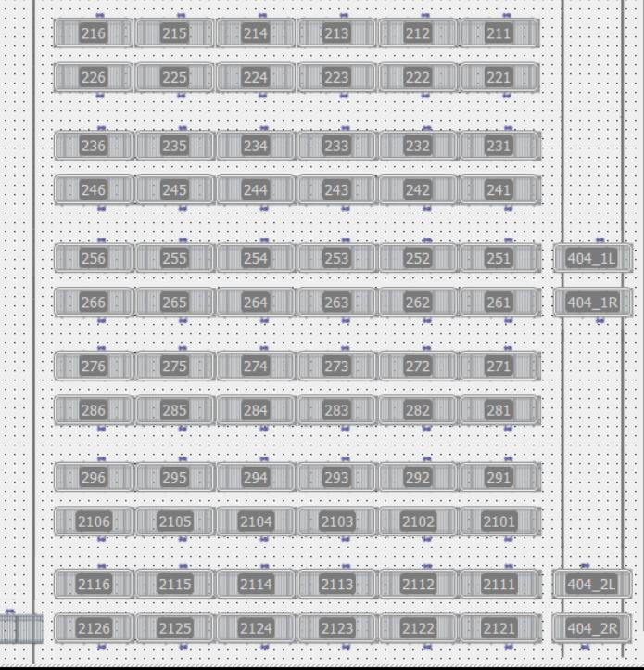
 |  |  | PComm0_Watchdog. Response Head. Status | INT
 |  |  | PComm0_Watchdog. Response Value | INT
 | Status |  | Status Roller Row 402_21 | INT
 |  |  | Status Roller Row 402_22 | INT
 |  |  | Status Roller Row 402_23 | INT
 |  |  | Status Roller Row 402_24 | INT
 |  |  | Status Roller Row 402_25 | INT
 |  |  | Status Roller Row 402_26 | INT
 |  |  | Status Roller Row 402_27 | INT
 |  |  | Status Roller Row 402_28 | INT
 |  |  | Status Roller Row 402_29 | INT
 |  |  | Status Roller Row 402_210 | INT
 |  |  | Status Roller Row 402_211 | INT
 |  |  | Status Roller Row 402_212 | INT
 |  |  | Status Roller Row 409 | INT
 |  |  | Status Bogie 404_1 | INT
 |  |  | Status Bogie 404_2 | INT
 | En Buffers, habrá que mandar todas las WO disponibles de ser alimentadas sin el recipe record name |  | Stack_ID | LINT
 |  |  | Article Name | String[20]
 |  |  | Stack_ID | LINT
 |  |  | Article Name | String[20]
 |  |  | Stack_ID | LINT
 |  |  | Article Name | String[20]
 |  |  | Stack_ID | LINT
 |  |  | Article Name | String[20]
 |  |  | Stack_ID | LINT
 |  |  | Article Name | String[20]
 |  |  | Stack_ID | LINT
 |  |  | Article Name | String[20]
 |  |  | Stack_ID | LINT
 |  |  | Article Name | String[20]
 |  |  | Stack_ID | LINT
 |  |  | Article Name | String[20]
 |  |  | Stack_ID | LINT
 |  |  | Article Name | String[20]
 |  |  | Stack_ID | LINT
 |  |  | Article Name | String[20]
 |  |  | Stack_ID | LINT
 |  |  | Article Name | String[20]
 |  |  | Stack_ID | LINT
 |  |  | Article Name | String[20]
 |  |  | Stack_ID | LINT
 |  |  | Article Name | String[20]
 |  |  | Stack_ID | LINT
 |  |  | Article Name | String[20]
 |  |  | Stack_ID | LINT
 |  |  | Article Name | String[20]
 |  |  | Stack_ID | LINT
 |  |  | Article Name | String[20]

 |  | DB9049. DBW436 | Spare | Array of Byte[424..499]

Work Order Communication Chart
 | INTERFACE SIGNALS CHART |  | Successful "Next Work Order" communication sequence |  |  |  |  |  |  |  |  |  |  |  |  |  |  |  |  |  |  |  |  |  |  |  | Error in "Next Work Order" communication sequence

PC write in PLC:
Next Work Order ID
 |  | type signal
 |  |  |  |  |  |  |  |  |  |  |  |  |  |  |  |  |  |  |  |  |  |  |  |  |  |  |  | ID: 12340002
 |  |  |  | ID:12340001
PC -> PLC | Next_WorkOrder_ID | DInt

PC write in PLC:
Next Recipe Record Number

 |  |  |  |  |  |  |  |  |  |  |  |  |  |  |  |  |  |  |  |  |  |  |  |  |  |  |  | Record:20
 |  |  |  | Record:10
PC -> PLC | Next_WorkOrder_Recipe_Record | Int

min. 100 milisec
PC write in PLC:
Increase "Trigger" value

 |  |  |  |  |  |  |  |  |  |  |  |  |  |  |  |  |  |  |  |  |  |  |  |  |  |  |  |  | n+2
 |  |  |  |  | n+1
 |  |  |  | n
PC -> PLC | Next_WorkOrder_Trigger | Int (1-1000)

Time downloading Recipe data
Time downloading Recipe data

Process | PLC is downloading new Recipe Record Datas from HMI

PLC write in PC
Copy "Trigger" value

 |  |  |  |  |  |  |  |  |  |  |  |  |  |  |  |  |  |  |  |  |  |  |  |  |  |  |  |  |  |  |  |  |  |  |  |  |  |  | n+2
 |  |  |  |  |  |  |  |  |  |  |  |  |  | n+1 |  |  |  |  |  |  |  |  |  |  |  |  |  |  |  |  |  |  |  |  |  |  |  | n
 |  |  |  |  |  |  |  |  |  |  |  |  | n
PLC -> PC | Next_WorkOrder_confirm | Int (1-1000)

PLC write in PC
Write process status
PLC write in PC
When receive Trigger Status turn to cero
PLC write in PC
When receive Trigger Status turn to cero
PLC write in PC
Write process status
 |  |  |  |  |  |  |  |  |  |  |  |  |  | 2
 |  |  |  |  |  | 1 |  |  |  |  |  |  |  |  |  |  |  |  |  |  |  |  |  |  |  |  |  |  |  | 1
PLC -> PC | Next_WorkOrder_Status | Int (1-1000)
 | Status values: 0: 1: Processing 2: Recipe Record in Next -1: Recipe Record not found in HMI database -2: Recipe data not valid -3 : Others errors
 |  |  |  |  |  |  |  |  |  |  |  |  |  |  |  |  |  |  |  |  |  |  |  |  |  |  |  |  |  |  |  |  |  |  |  |  |  |  | -1: Record not found

 |  |  |  |  |  |  |  |  |  |  |  |  | 9999 |  |  |  |  |  |  |  | 9999 |  |  |  |  |  |  |  |  |  | 9999 |  |  |  |  |  |  |  |  | 9999 |  |  |  |  |  |  |  | 9999 |  |  |  |  |  |  | 9999
 |  |  |  |  |  |  |  |  |  |  | 3 |  |  |  |  |  |  |  | 3 |  |  |  |  |  |  |  |  | 3 |  |  |  |  |  |  |  |  | 3 |  |  |  |  |  |  |  |  | 3 |  |  |  |  |  |  | 3
 |  |  |  |  |  |  |  |  | 2 |  |  |  |  |  |  |  | 2 |  |  |  |  |  |  |  |  | 2 |  |  |  |  |  |  |  |  | 2 |  |  |  |  |  |  |  |  | 2 |  |  |  |  |  |  | 2
 |  |  |  |  |  |  | 1 |  |  |  |  |  |  |  | 1 |  |  |  |  |  |  |  | 1 |  |  |  |  |  |  |  |  |  | 1 |  |  |  |  |  |  |  |  | 1 |  |  |  |  |  |  |  | 1 |  |  |  |  |  |  | 1
PC -> PLC | Watchdog | DP/DP Couple
 | WatchDog Data (increment in PC Vision System, reflection in PLC)
 |  |  |  |  |  |  |  |  |  |  |  |  |  | 9999 |  |  |  |  |  |  |  | 9999 |  |  |  |  |  |  |  |  |  | 9999 |  |  |  |  |  |  |  |  | 9999 |  |  |  |  |  |  |  | 9999 |  |  |  |  |  |  | 9999
 |  |  |  |  |  |  |  |  |  |  |  | 3 |  |  |  |  |  |  |  | 3 |  |  |  |  |  |  |  |  | 3 |  |  |  |  |  |  |  |  | 3 |  |  |  |  |  |  |  |  | 3 |  |  |  |  |  |  | 3
 |  |  |  |  |  |  |  |  |  | 2 |  |  |  |  |  |  |  | 2 |  |  |  |  |  |  |  |  | 2 |  |  |  |  |  |  |  |  | 2 |  |  |  |  |  |  |  |  | 2 |  |  |  |  |  |  | 2
 |  |  |  |  |  |  |  | 1 |  |  |  |  |  |  |  | 1 |  |  |  |  |  |  |  | 1 | 1 |  |  |  |  |  |  |  |  | 1 |  |  |  |  |  |  |  |  | 1
PLC -> PC | Watchdog | DP/DP Couple

